Sheet1
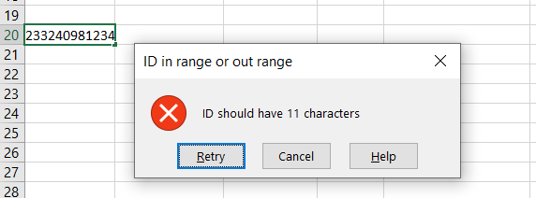
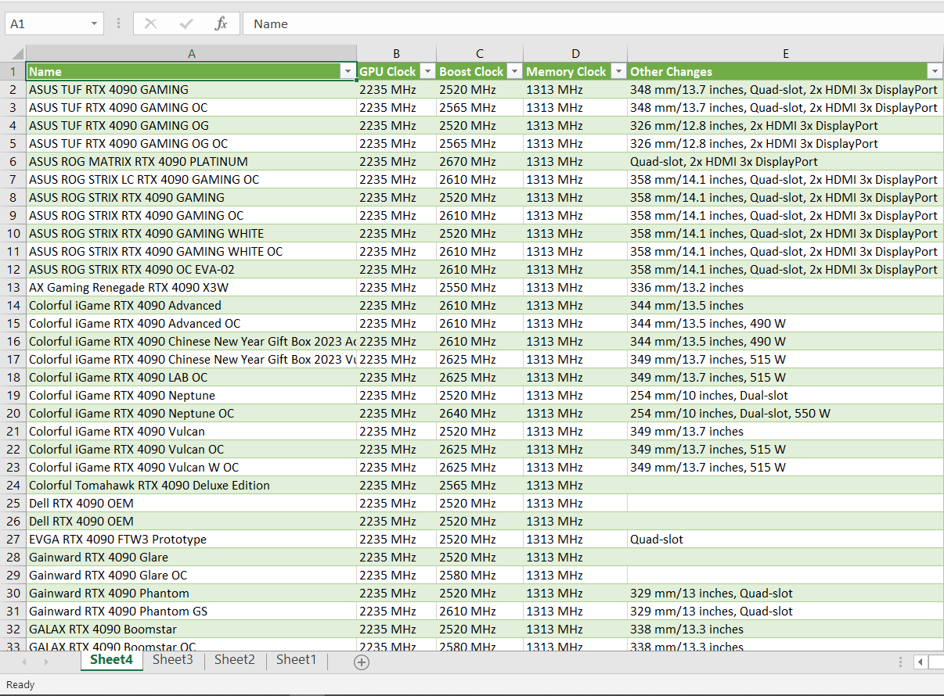
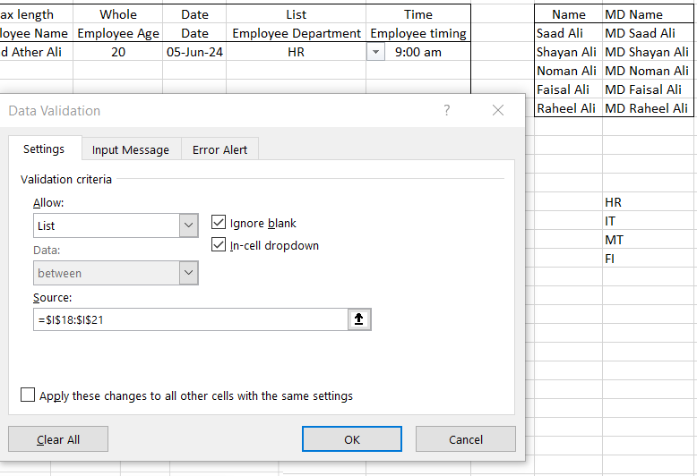
Assignment: Data Validation, MD Directories, and Web Data Extraction using Excel |  |  |  |  |  |  |  |  | Saad Ali

 | TASK 1 |  |  |  |  | TASK 2 |  | TASK 3

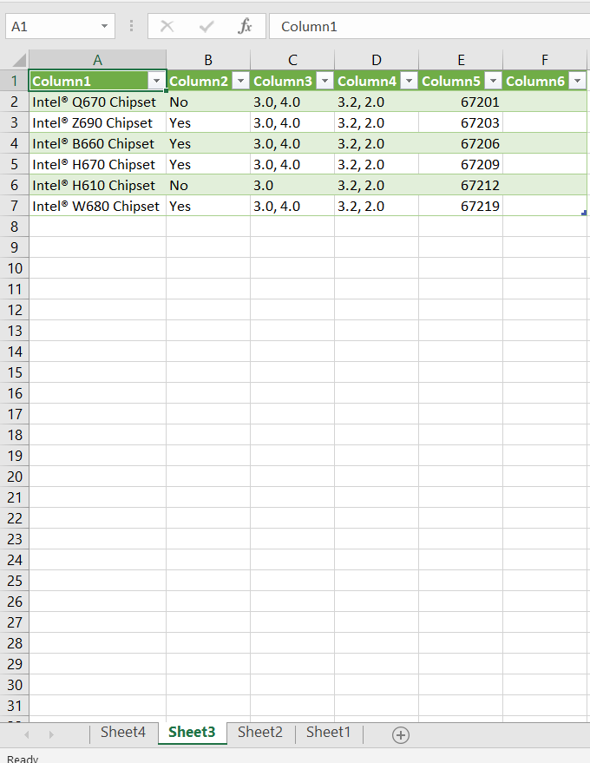
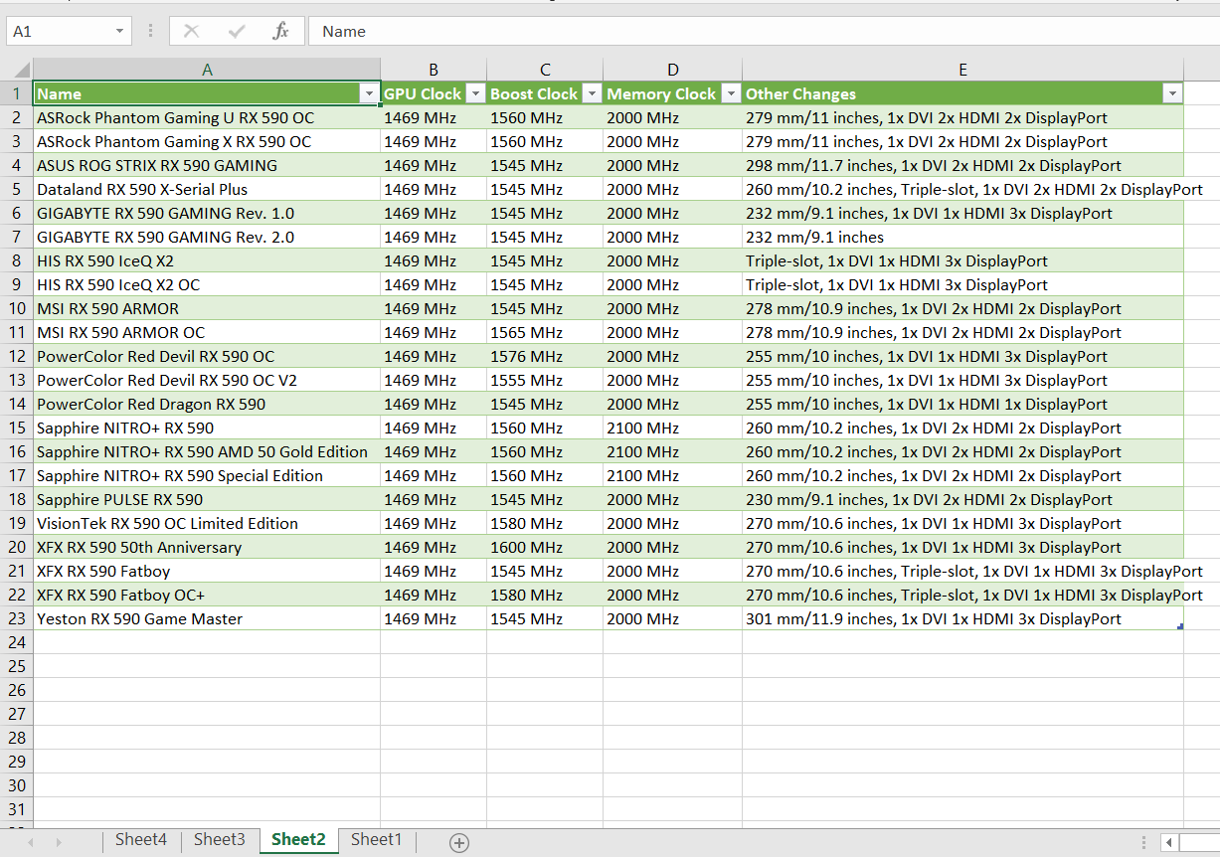
Max Length | Max length | Whole | Date | List | Time | Name | MD Name
Employee ID | Employee Name | Employee Age | Date | Employee Department | Employee timing | Saad Ali | MD Saad Ali
33478612987 | Saad Ather Ali | 20 | 5-Jun-24 | HR | 9:00:00 | Shayan Ali | MD Shayan Ali
 |  |  |  |  |  | Noman Ali | MD Noman Ali
 |  |  |  |  |  | Faisal Ali | MD Faisal Ali
 |  |  |  |  |  | Raheel Ali | MD Raheel Ali

 |  |  |  |  |  |  | HR
 |  |  |  |  |  |  | IT
23324098123 | Osama bin Laden | 30 | 2-Jun-24 |  |  |  | MT
 |  |  |  |  |  |  | FI

